Cover
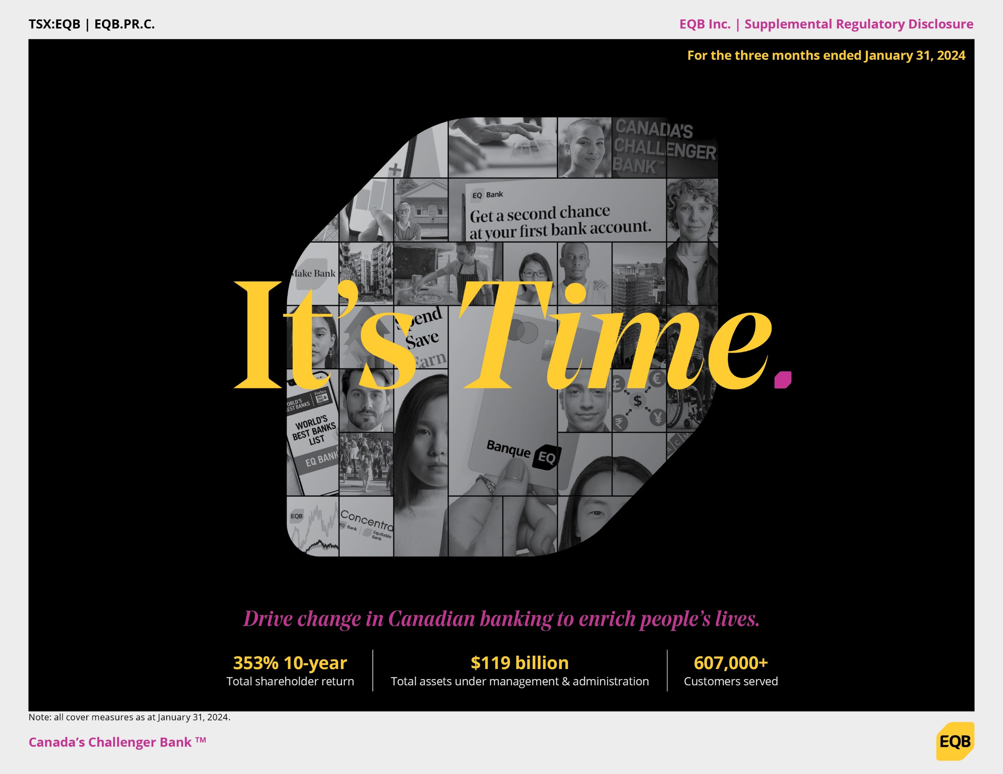

Notes to Readers
Notes to Readers
Overview and background
On January 31, 2022, the Office of the Superintendent of Financial Institution (OSFI) announced revised capital, leverage, liquidity and disclosure rules that incorporate the final Basel III banking reforms to help Canadian deposit-taking institutions (DTIs) more effectively manage risks and sustain resilience. The revised rules were effective April 1, 2023, and include the following:
Capital Adequacy Requirements (CAR)
Leverage Requirements (LR)
Liquidity Adequacy Requirements (LAR)
Small and Medium-Sized Deposit-Taking Institutions (SMSBs) Capital and Liquidity Requirements
Pillar 3 Disclosures
Pursuant to the Small and Medium-Sized Deposit-Taking Institutions (SMSBs) Capital and Liquidity Requirements guidelines, Equitable Bank, the wholly-owned subsidiary of EQB Inc., is classified as Category I SMSB with total assets over the $10 billion threshold.
Information reported in this Equitable Bank's Supplemental Regulatory Disclosure Report (Report) are prepared in accordance with the above revised guidelines and Pillar 3 disclosure requirements pertaining to Category I SMSB.
Full qualitative disclosures are provided annually, at the fiscal year end.
On October 20, 2023, OSFI released an update of CAR (2024 Capital Adequacy Requirements) that takes effect fiscal Q1 2024. It includes changes in capital requirements associated with negative amortization mortgages with growing balances, where payments are insufficient to cover the interest components. Equitable Bank’s capital requirements have not changed as a result of this change, as the Bank does not offer variable rate residential mortgage products with fixed payments that lead to this impact. Ongoing updates to CAR have the potential to change the treatment of current lending portfolio and impact future risk-weighted assets.
Since Q2 2023, the results have reflected the revised Basel III disclosures and prior periods have not been restated.
Change of fiscal year end
EQB has changed its fiscal year to end on October 31 for 2023 onward, compared to prior fiscal periods ending December 31.
For the Q1 2024 report, the data is presented as at January 31, 2024.
Basis of presentation
All numbers in this Report are Canadian dollars and are unaudited.
Use of this document
This Report should be read in conjunction with EQB Inc.’s Q1 2024 report and Supplemental Financial Information, which can be accessed at our website at eqbank.investoroom.com.
Additional financial data published on OSFI website can also be accessed through the link below.

https://www.osfi-bsif.gc.ca/Eng/wt-ow/Pages/fd-df.aspx

